Sheet1
 | Document No. |  | Issue No. | Issue Date |  |  | Review and Replace Date |  | Authorised By
 | GFF529MC |  | 1 | 07.08.2025 |  |  | New doc |  | Magda Shah
 | Document Title |  | Gc- 30 Chicken Spring Roll 30G | 900G
Document amendments reason for change | New doc |  |  | Page 1 of 1 |  | Previous Issue Date |  | New doc | Uncontrolled copy unless signed original

CCSRC2-B30X8T |  | COSTCO |  |  | 30 Chicken Spring Roll 30G
STEP 1 |  |  |  |  |  |  | STEP 2
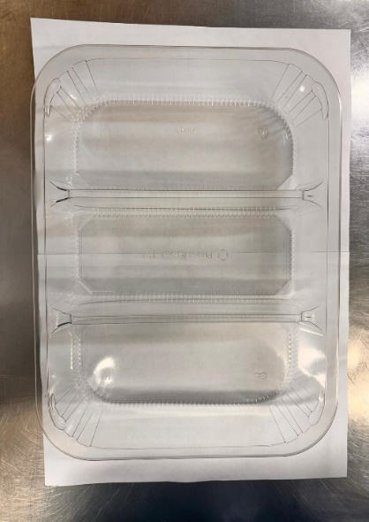 |  |  |  |  |  |  | 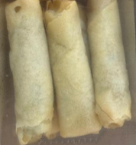

PACK DAY + 1 YEAR
GAS FLUSH
FROZEN

Tray: HW308/60 - 3 CAVITY TRANS - 352X246X60 - (PKESS001-10) |  |  |  |  |  |  | Chicken Spring Roll 30G-(RMWEI002-02)- 30 Pieces
Film: K Peel RPSM 25µm (340mmX1000lmm)-PKKMP001-05
STEP 3
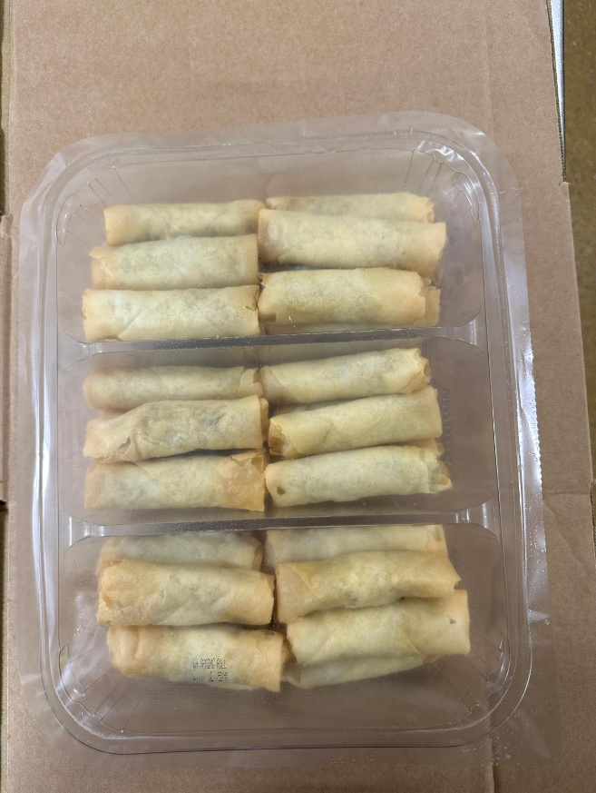
30 Chicken Spring Roll 30G | 900G |  |  |  |  |  |  |  |  | Total Weight 900g
ALLERGY ALERT: Wheat, Soya, Sesame

